Figure 1.1 data
 | Figure 1.1: The Public’s Financial Asset Portfolio, 2012 ­ 2021
 | NIS trillion (line) and annual rate of change (columns)
 | Balance
Jan-04 | 1,325.2
Mar-04 | 1,341.8
Jun-04 | 1,375.9
Sep-04 | 1,363.3
Dec-04 | 1,417.4
Mar-05 | 1,467.2
Jun-05 | 1,523.3
Sep-05 | 1,605.5
Dec-05 | 1,652.2
Mar-06 | 1,693.5
Jun-06 | 1,679.1
Sep-06 | 1,731.7
Dec-06 | 1,836.5
Mar-07 | 1,920.3
Jun-07 | 2,020.2
Sep-07 | 2,021.1
Dec-07 | 2,055.6
Mar-08 | 2,018.3
Jun-08 | 2,071.3
Sep-08 | 1,973.8
Dec-08 | 1,881.5
Mar-09 | 1,993.9
Jun-09 | 2,098.8
Sep-09 | 2,204.3
Dec-09 | 2,301.4
Mar-10 | 2,385.7
Jun-10 | 2,371.4
Sep-10 | 2,470.8
Dec-10 | 2,565.1
Mar-11 | 2,569.1
Jun-11 | 2,526.1
Sep-11 | 2,484.8
Dec-11 | 2,536.6
Mar-12 | 2,590.1
Jun-12 | 2,577.2
Sep-12 | 2,658.0
Dec-12 | 2,734.0
Mar-13 | 2,770.6
Jun-13 | 2,785.8
Sep-13 | 2,855.0
Dec-13 | 2,976.2
Mar-14 | 3,029.2
Jun-14 | 3,067.1
Sep-14 | 3,148.9
Dec-14 | 3,180.2
Mar-15 | 3,336.1
Jun-15 | 3,290.9
Sep-15 | 3,264.6
Dec-15 | 3,320.8
Mar-16 | 3,318.4
...

SOURCE: - Bank of Israel data

Figure 1.2 data
 | Figure 1.2: Balance of the Asset Portfolio
 | Percent of GDP
 | GDP ratio | GDP ratio
Jan-04 | 228 | 228
Mar-04 | 231 | 231
Jun-04 | 234 | 234
Sep-04 | 228 | 228
Dec-04 | 233 | 233
Mar-05 | 240 | 240
Jun-05 | 246
Sep-05 | 256
Dec-05 | 258
Mar-06 | 258
Jun-06 | 250
Sep-06 | 255
Dec-06 | 267
Mar-07 | 277
Jun-07 | 288
Sep-07 | 282
Dec-07 | 279
Mar-08 | 269
Jun-08 | 271
Sep-08 | 255
Dec-08 | 242
Mar-09 | 254
Jun-09 | 263
Sep-09 | 272
Dec-09 | 281
Mar-10 | 288
Jun-10 | 281
Sep-10 | 288
Dec-10 | 292
Mar-11 | 287
Jun-11 | 279
Sep-11 | 269
Dec-11 | 270
Mar-12 | 272
Jun-12 | 266
Sep-12 | 270
Dec-12 | 274
Mar-13 | 275
Jun-13 | 271
Sep-13 | 273
Dec-13 | 280
Mar-14 | 280
Jun-14 | 282
Sep-14 | 287
Dec-14 | 286
Mar-15 | 296
Jun-15 | 287
Sep-15 | 282
Dec-15 | 285
Mar-16 | 282
...

SOURCE: - Bank of Israel data

Figure 1.3 data
 | Figure 1.3: Change in the Balance of Assets in the Portfolio in 2021
 | Change in NIS billion (columns) and in percent (circles)
Cash and deposits | 265
Equities in Israel | 202
Financial assets abroad | 77
Gov’t. bonds and makam | 37
Corporate bonds | 37
Other assets* | 21

SOURCE: - Bank of Israel data

המקור: עיבודי בנק ישראל

Figure 1.4 data
 | Figure 1.4: Distribution of Assets in the Portfolio in 2020 and in 2021 (columns) and asset balances in NIS billion in 2021 (circles)

 | 36.4% | 37.0%
 | 20.7% | 18.8%
 | 13.9% | 16.1%
 | 15.6% | 15.2%
 | 8.5% | 8.2%
 | 4.8% | 4.6%

SOURCE: - Bank of Israel data

Figure 1.5
 | Figure 1.5: Distribution of Holdings in the Portfolio by Type of Manager
 | Percentage of the total portfolio
 | הציבור במישרין | הגופים המוסדיים
Mar-10 | 64.5 | 35.5
Jun-10 | 64.3 | 35.7
Sep-10 | 64.1 | 35.9
Dec-10 | 64.5 | 35.5
Mar-11 | 63.8 | 36.2
Jun-11 | 63.2 | 36.8
Sep-11 | 63.0 | 37.0
Dec-11 | 63.0 | 37.0
Mar-12 | 62.7 | 37.3
Jun-12 | 62.5 | 37.5
Sep-12 | 62.0 | 38.0
Dec-12 | 61.6 | 38.4
Mar-13 | 61.6 | 38.4
Jun-13 | 61.2 | 38.8
Sep-13 | 60.9 | 39.1
Dec-13 | 61.0 | 39.0
Mar-14 | 60.7 | 39.3
Jun-14 | 60.1 | 39.9
Sep-14 | 60.0 | 40.0
Dec-14 | 59.9 | 40.1
Mar-15 | 59.6 | 40.4
Jun-15 | 59.9 | 40.1
Sep-15 | 59.8 | 40.2
Dec-15 | 59.1 | 40.9
Mar-16 | 58.7 | 41.3
Jun-16 | 58.2 | 41.8
Sep-16 | 58.2 | 41.8
Dec-16 | 58.1 | 41.9
Mar-17 | 57.8 | 42.2
Jun-17 | 57.4 | 42.6
Sep-17 | 56.7 | 43.3
Dec-17 | 56.1 | 43.9
Mar-18 | 55.7 | 44.3
Jun-18 | 55.1 | 44.9
Sep-18 | 54.9 | 45.1
Dec-18 | 55.4 | 44.6
Mar-19 | 54.8 | 45.2
Jun-19 | 54.5 | 45.5
Sep-19 | 53.7 | 46.3
Dec-19 | 53.1 | 46.9
Mar-20 | 53.7 | 46.3
Jun-20 | 53.4 | 46.6
Sep-20 | 53.5 | 46.5
Dec-20 | 53.4 | 46.6
Mar-21 | 53.0 | 47.0
Jun-21 | 53.0 | 47.0
Sep-21 | 52.8 | 47.2
Dec-21 | 52.5 | 47.5

SOURCE: - Bank of Israel data

Figure 1.6
 | סה"כ
The public directly excluding mutual funds | 2,265
Mutual funds | 383
Pension funds | 1,121
Provident and advanced training funds | 689
Insurance policies | 587
 | Figure 1.6: Distribution of Holdings in the Portfolio by Type of Manager
 | Balances in NIS billion (columns) and as a percentage of the total (circles)
7.6%
22.2%
13.6%
11.6%

SOURCE: - Bank of Israel data

Figure 1.7
 | Figure 1.7: Distribution of Holdings in the Portfolio by Asset
 | The public’s direct holdings vs. institutional investors

 | Institutional investors | The public directly | "" | Institutional investors | The public directly
Cash and deposits | 12% | 88% | 17% | 9% | 91%
Equities in Israel | 31% | 69% | 17% | 29% | 71%
Corporate bonds | 47% | 53% | 17% | 50% | 50%
Financial assets abroad | 82% | 18% | 17% | 77% | 23%
Gov’t. bonds and makam | 90% | 10% | 17% | 87% | 13%

SOURCE: - Bank of Israel data

Figure 1.8
 | Figure 1.8: Balance of Equities and Bonds Abroad, 2013–2021
 | NIS billion
 | Bonds abroad | Equities abroad
Jan-10 | 71 | 107
Feb-10 | 73 | 114
Mar-10 | 82 | 120
Apr-10 | 83 | 123
May-10 | 85 | 122
Jun-10 | 87 | 119
Jul-10 | 86 | 124
Aug-10 | 87 | 124
Sep-10 | 88 | 130
Oct-10 | 90 | 135
Nov-10 | 90 | 136
Dec-10 | 88 | 139
Jan-11 | 94 | 147
Feb-11 | 95 | 147
Mar-11 | 96 | 142
Apr-11 | 95 | 144
May-11 | 96 | 144
Jun-11 | 95 | 137
Jul-11 | 97 | 138
Aug-11 | 99 | 137
Sep-11 | 101 | 126
Oct-11 | 101 | 133
Nov-11 | 103 | 140
Dec-11 | 106 | 144
Jan-12 | 107 | 149
Feb-12 | 108 | 154
Mar-12 | 110 | 162
Apr-12 | 110 | 162
May-12 | 112 | 157
Jun-12 | 114 | 160
Jul-12 | 117 | 165
Aug-12 | 119 | 171
Sep-12 | 119 | 174
Oct-12 | 118 | 172
Nov-12 | 116 | 173
Dec-12 | 120 | 175
Jan-13 | 121 | 184
Feb-13 | 121 | 186
Mar-13 | 119 | 190
Apr-13 | 119 | 190
May-13 | 121 | 197
Jun-13 | 121 | 191
Jul-13 | 122 | 199
Aug-13 | 124 | 201
Sep-13 | 122 | 205
Oct-13 | 125 | 212
Nov-13 | 126 | 220
Dec-13 | 125 | 222
Jan-14 | 127 | 221
Feb-14 | 131 | 232
...

SOURCE: - Bank of Israel data

Figure 1.9
 | Figure 1.9: Institutional Investors’ Exposure to Foreign Assets
 | as a share of total assets
Old pension funds | 15.1% | 14.5%
New pension funds | 39.0% | 37.9%
Provident and advanced training funds | 43.2% | 39.0%
Profit-sharing insurance policies | 43.5% | 42.6%
Total | 36.2% | 33.9%

SOURCE: - Bank of Israel data

Figure 1.10
 | Figure 1.10: Balance of Holdings of Equities in Israel, 2012 – 2021
 | NIS billion
 | Holdings of Equities in Israel
Mar-10 | 487
Jun-10 | 440
Sep-10 | 497
Dec-10 | 550
Mar-11 | 532
Jun-11 | 475
Sep-11 | 396
Dec-11 | 394
Mar-12 | 401
Jun-12 | 367
Sep-12 | 383
Dec-12 | 410
Mar-13 | 431
Jun-13 | 418
Sep-13 | 453
Dec-13 | 500
Mar-14 | 514
Jun-14 | 506
Sep-14 | 516
Dec-14 | 496
Mar-15 | 544
Jun-15 | 546
Sep-15 | 498
Dec-15 | 495
Mar-16 | 477
Jun-16 | 460
Sep-16 | 488
Dec-16 | 497
Mar-17 | 492
Jun-17 | 500
Sep-17 | 506
Dec-17 | 513
Mar-18 | 482
Jun-18 | 469
Sep-18 | 509
Dec-18 | 500
Mar-19 | 533
Jun-19 | 575
Sep-19 | 588
Dec-19 | 614
Mar-20 | 469
Jun-20 | 479
Sep-20 | 514
Dec-20 | 613
Mar-21 | 631
Jun-21 | 698
Sep-21 | 724
Dec-21 | 815

SOURCE: - Bank of Israel data

Figure 1.11
Figure 1.11: Tradable Equities in Israel, The Public’s Direct Holdings vs. Institutional Investors
Balances and transactions in NIS billion

 | um of base | balance sum
2020 | 0 | 170
Transactions | 170.411165 | 1
Price changes | 171.57106004 | 72
2021 | 0 | 244
2020 | 0 | 443
Transactions | 442.71021319 | 0
Price changes | 442.96959104 | 128
2021 | 0 | 571

SOURCE: - Bank of Israel data

Figure 1.12
 | Figure 1.12: Government Bonds and Makam, 2013–2021
 | NIS billion
 | Tradable government bonds | Nontradable government bonds | Makam
Jan-11 | 306 | 241 | 65
Mar-11 | 302 | 238 | 68
Jun-11 | 302 | 240 | 70
Sep-11 | 300 | 245 | 74
Dec-11 | 306 | 242 | 77
Mar-12 | 309 | 243 | 82
Jun-12 | 322 | 245 | 84
Sep-12 | 336 | 252 | 77
Dec-12 | 358 | 257 | 71
Mar-13 | 355 | 259 | 70
Jun-13 | 366 | 264 | 74
Sep-13 | 375 | 267 | 74
Dec-13 | 385 | 278 | 77
Mar-14 | 397 | 284 | 79
Jun-14 | 406 | 298 | 86
Sep-14 | 403 | 307 | 96
Dec-14 | 398 | 311 | 95
Mar-15 | 413 | 334 | 90
Jun-15 | 389 | 321 | 80
Sep-15 | 394 | 322 | 68
Dec-15 | 395 | 322 | 71
Mar-16 | 396 | 327 | 59
Jun-16 | 399 | 336 | 54
Sep-16 | 392 | 338 | 55
Dec-16 | 384 | 330 | 52
Mar-17 | 381 | 333 | 49
Jun-17 | 383 | 337 | 50
Sep-17 | 394 | 347 | 47
Dec-17 | 396 | 350 | 48
Mar-18 | 399 | 357 | 47
Jun-18 | 391 | 357 | 45
Sep-18 | 397 | 364 | 52
Dec-18 | 390 | 355 | 65
Mar-19 | 402 | 366 | 71
Jun-19 | 418 | 378 | 71
Sep-19 | 442 | 392 | 70
Dec-19 | 436 | 401 | 74
Mar-20 | 383 | 403 | 59
Jun-20 | 405 | 410 | 58
Sep-20 | 417 | 413 | 60
Dec-20 | 426 | 419 | 68
Mar-21 | 414 | 426 | 58
Jun-21 | 420 | 439 | 66
Sep-21 | 423 | 452 | 68
Dec-21 | 420 | 468 | 62

SOURCE: - Bank of Israel data

Figure 1.13
 | Figure 1.13: Balance of Deposits, 2012–2021
 | Balance in NIS trillion (line) and annual rate of change (columns)

Jan-10 | 694.3
Feb-10 | 688.8
Mar-10 | 690.5
Apr-10 | 690.4
May-10 | 690.3
Jun-10 | 701.8
Jul-10 | 693.8
Aug-10 | 694.2
Sep-10 | 695.5
Oct-10 | 704.7
Nov-10 | 706.4
Dec-10 | 731.9
Jan-11 | 731.8
Feb-11 | 734.8
Mar-11 | 732.3
Apr-11 | 735.5
May-11 | 743.9
Jun-11 | 750.8
Jul-11 | 754.1
Aug-11 | 770.1
Sep-11 | 782.1
Oct-11 | 781.3
Nov-11 | 786.1
Dec-11 | 816.1
Jan-12 | 809.8
Feb-12 | 816.5
Mar-12 | 818.3
Apr-12 | 816.4
May-12 | 820.6
Jun-12 | 832.7
Jul-12 | 840.8
Aug-12 | 848.6
Sep-12 | 847.2
Oct-12 | 854.8
Nov-12 | 845.3
Dec-12 | 866.9
Jan-13 | 854.3
Feb-13 | 852.4
Mar-13 | 859.0
Apr-13 | 866.0
May-13 | 868.9
Jun-13 | 869.0
Jul-13 | 863.2
Aug-13 | 868.2
Sep-13 | 874.1
Oct-13 | 878.0
Nov-13 | 879.2
Dec-13 | 897.9
Jan-14 | 885.8
Feb-14 | 883.9
...

SOURCE: - Bank of Israel data

Figure 1.14
 | Figure 1.14: Mutual Fund Specializations (incl. ETFs)
 | Net new investments, NIS billion, during 2021

 | Net new investments, NIS billion, during 2021
Money market | -6.0
Equities abroad | 1.5
Other* | 1.6
Equities in Israel | 3.9
Corporate bonds in Israel | 8.7
General bonds in Israel | 18.1
Total | 27.8

SOURCE: - Bank of Israel data

Figure 1.15
 | Figure 1.15: Distribution of Mutual Fund Assets
 | As a share of total assets
 | Equities in Israel | Financial assets abroad | Corporate bonds | Government bonds | Other
2016-12-31 | 9.5% | 10.1% | 37.0% | 26.5% | 17.0%
2017-12-31 | 11.2% | 10.5% | 40.8% | 21.3% | 16.1%
2018-12-31 | 13.6% | 9.7% | 36.2% | 17.1% | 23.4%
2019-12-31 | 16.6% | 9.4% | 36.3% | 15.7% | 22.0%
2020-12-31 | 16.9% | 9.6% | 36.7% | 14.0% | 22.8%
2021-12-31 | 20.5% | 7.0% | 37.3% | 13.8% | 21.4%

SOURCE: - Bank of Israel data

Figure 1.16
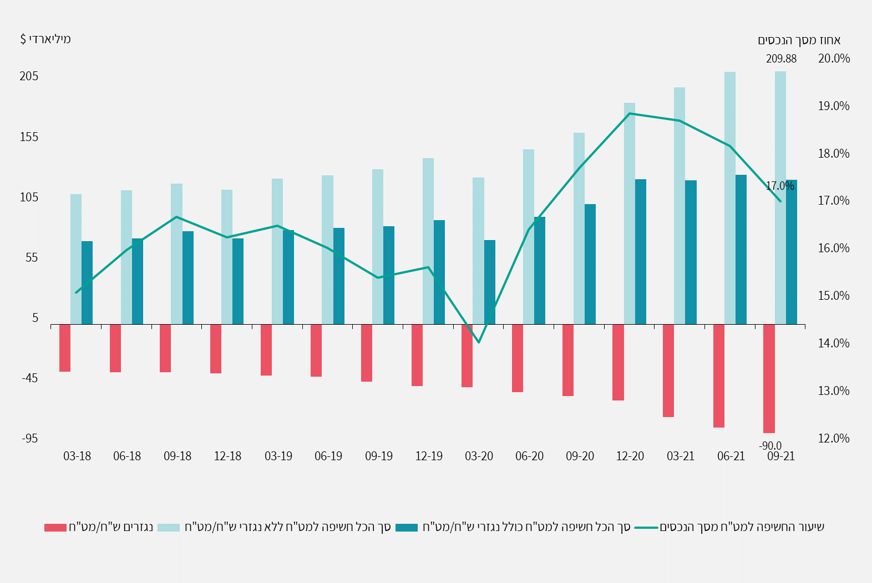
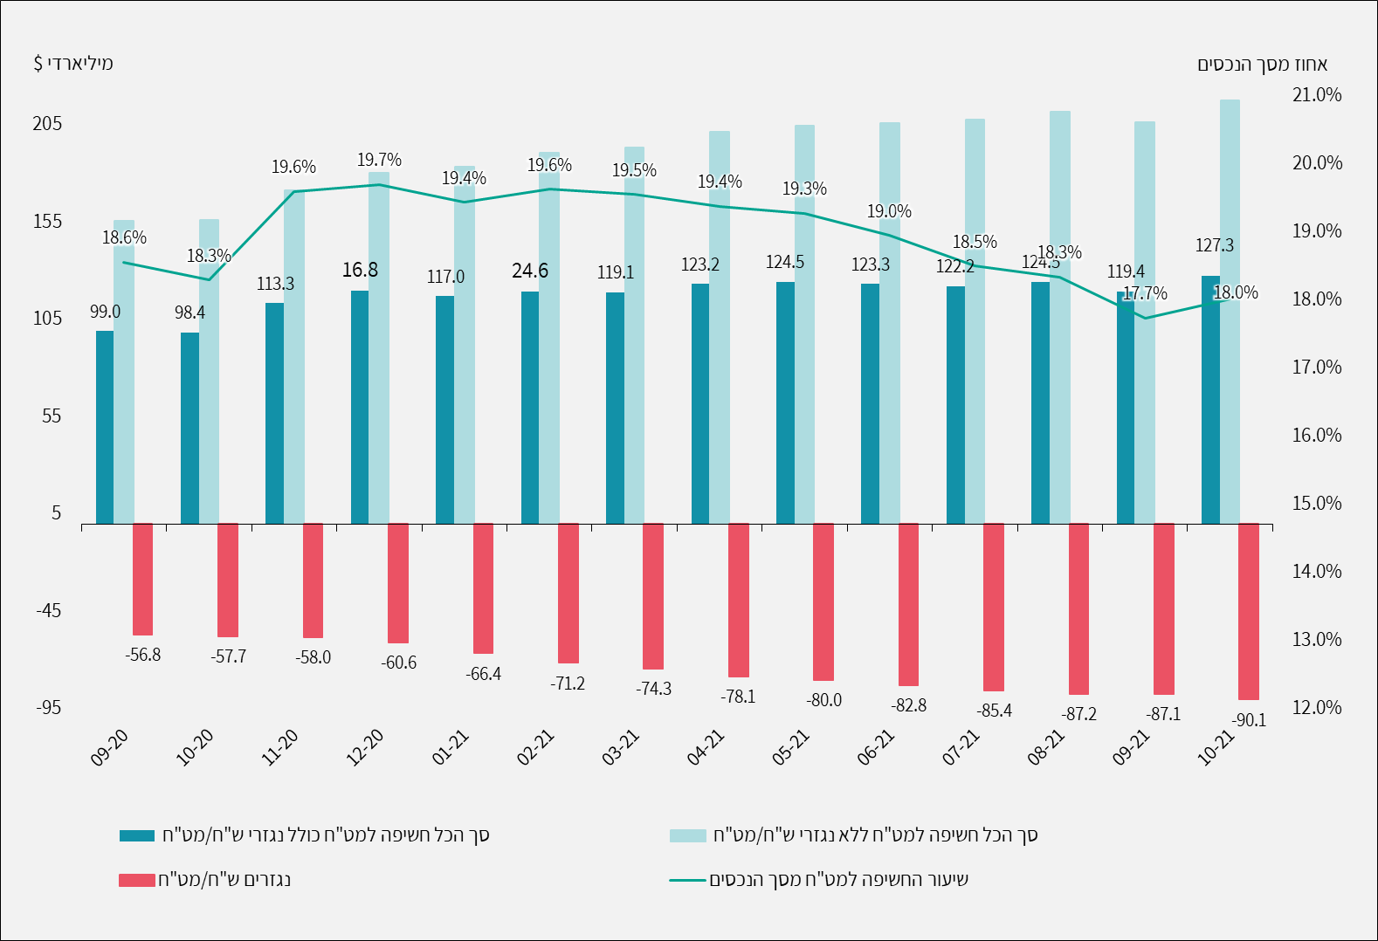
 | Figure 1.16: The Balance of Institutional Investors’ Assets in Israel and Abroad, $ billion

 | Total exposure to abroad | Total exposure to Israel | Total investment assets
3/31/2018 | 122.60 | 334.75 | 457.35
6/30/2018 | 125.24 | 322.21 | 447.45
9/30/2018 | 131.99 | 331.24 | 463.23
12/31/2018 | 126.62 | 310.59 | 437.21
3/31/2019 | 137.72 | 336.77 | 474.48
6/30/2019 | 141.76 | 357.44 | 499.19
9/30/2019 | 149.62 | 377.61 | 527.23
12/31/2019 | 162.62 | 391.09 | 553.70
3/31/2020 | 139.92 | 357.18 | 497.10
6/30/2020 | 166.64 | 375.68 | 542.32
9/30/2020 | 182.30 | 380.49 | 562.78
12/31/2020 | 217.86 | 421.14 | 639.00
3/31/2021 | 227.33 | 412.37 | 639.70
6/30/2021 | 247.56 | 434.54 | 682.11
9/30/2021 | 249.43 | 455.61 | 705.04
12/31/2021 | 279.48 | 491.08 | 770.56

SOURCE: - Bank of Israel data

 | תנועה נטו בנכסים מאזניים במט"ח | שינוי בחשיפה נגזרים ש"ח/מט"ח | סה"כ תנועה במט"ח (כולל נגזרים)
44074 | 1.5284 | -0.7344 | 0.794
44104 | 0.1147 | -0.1477 | -0.033
44135 | -0.2695 | -0.9148 | -1.1843
44165 | 0.3656 | -0.2376 | 0.128
44196 | -0.1001 | -2.6447 | -2.7448
44227 | 2.8634 | -5.7897 | -2.9263
44255 | 2.4057 | -4.838 | -2.4323
44286 | 1.5906 | -3.0623 | -1.4717
44316 | -0.4664 | -3.7898 | -4.2562
44347 | 0.9135 | -1.8992 | -0.9857
44377 | -1.1121 | -2.7666 | -3.8787
44408 | 0.4985 | -2.6033 | -2.1048
44439 | 0.0386 | -1.8409 | -1.8023
44469 | -0.2148 | 0.0611 | -0.1537

Figure 1.17
 | Figure 1.17: Rate of Exposure to Abroad by Institutional Investor, percent

 | Provident funds and advanced training funds | New pension funds | Old pension funds | Profit-sharing insurance policies
3/31/2018 | 29.11 | 33.07 | 14.71 | 37.67
6/30/2018 | 30.10 | 34.81 | 15.46 | 38.65
9/30/2018 | 31.06 | 34.88 | 15.68 | 38.72
12/31/2018 | 31.89 | 35.49 | 15.45 | 39.38
3/31/2019 | 32.19 | 35.32 | 15.11 | 39.48
6/30/2019 | 31.50 | 34.26 | 15.18 | 38.07
9/30/2019 | 31.85 | 34.22 | 14.80 | 38.27
12/31/2019 | 32.47 | 35.21 | 14.92 | 40.28
3/31/2020 | 31.71 | 34.03 | 13.62 | 39.48
6/30/2020 | 35.44 | 36.62 | 14.31 | 42.62
9/30/2020 | 38.18 | 37.97 | 14.54 | 43.69
12/31/2020 | 40.47 | 39.48 | 15.03 | 44.92
3/31/2021 | 42.40 | 40.81 | 15.89 | 45.62
6/30/2021 | 43.33 | 41.38 | 16.14 | 46.42
9/30/2021 | 42.60 | 39.90 | 15.66 | 45.07
12/31/2021 | 44.46 | 40.44 | 15.56 | 45.55

SOURCE: - Bank of Israel data

Figure 1.18
 | Figure 1.18: The Share of Equities in Israel and Abroad, and Exposure to Equities Abroad
 | $ billion
 | Percent
 | Total investment assets | Equities abroad | Equities in Israel | Futures contracts and options on equity indices abroad (exposure)
3/31/2018 | 457.35 | 11.16 | 7.95 | 4.94
6/30/2018 | 447.45 | 11.77 | 8.03 | 5.03
9/30/2018 | 463.23 | 12.09 | 8.51 | 5.17
12/31/2018 | 437.21 | 11.89 | 8.12 | 5.61
3/31/2019 | 474.48 | 12.15 | 8.21 | 5.36
6/30/2019 | 499.19 | 11.69 | 8.66 | 5.37
9/30/2019 | 527.23 | 11.64 | 8.84 | 5.58
12/31/2019 | 553.70 | 12.24 | 9.08 | 6.04
3/31/2020 | 497.10 | 11.06 | 7.95 | 5.84
6/30/2020 | 542.32 | 12.98 | 7.23 | 5.89
9/30/2020 | 562.78 | 13.75 | 7.44 | 6.56
12/31/2020 | 639.00 | 14.91 | 8.60 | 7.21
3/31/2021 | 639.70 | 16.77 | 8.95 | 6.87
6/30/2021 | 682.11 | 16.91 | 9.34 | 7.42
9/30/2021 | 705.04 | 16.20 | 9.73 | 7.42
12/31/2021 | 770.56 | 15.30 | 10.64 | 9.08

SOURCE: - Bank of Israel data

Figure 1.19
 | Figure 1.19: Exposure to Foreign Exchange
 | Percent of total assets
 | $ billion
 | Shekel/forex derivatives | Total exposure to foreign exchange excl. shekel/forex derivatives | Total exposure to foreign exchange incl. shekel/forex derivatives | Foreign exchange exposure ratio of total assets
3/31/2018 | -39.1 | 108.12 | 68.98 | 15.08
6/30/2018 | -39.5 | 110.93 | 71.47 | 15.97
9/30/2018 | -39.5 | 116.72 | 77.24 | 16.67
12/31/2018 | -40.4 | 111.43 | 71.04 | 16.25
3/31/2019 | -42.5 | 120.76 | 78.24 | 16.49
6/30/2019 | -43.5 | 123.54 | 80.02 | 16.03
9/30/2019 | -47.4 | 128.57 | 81.17 | 15.40
12/31/2019 | -51.1 | 137.54 | 86.44 | 15.61
3/31/2020 | -51.9 | 121.69 | 69.79 | 14.04
6/30/2020 | -56.0 | 145.04 | 89.01 | 16.41
9/30/2020 | -59.2 | 158.82 | 99.62 | 17.70
12/31/2020 | -63.2 | 183.60 | 120.44 | 18.85
3/31/2021 | -77.0 | 196.59 | 119.61 | 18.70
6/30/2021 | -85.4 | 209.35 | 123.91 | 18.17
9/30/2021 | -90.0 | 209.88 | 119.87 | 17.00
12/31/2021 | -97.4 | 225.49 | 128.12 | 16.63

SOURCE: - Bank of Israel data

